1. Title Page
[Grocery Basket Analysis]

Project Name: Instacart Grocery Basket Analysis
Date: 11 April 2023
Analyst Name: Aruni Bandara

Contents:
Population Flow
Consistency checks
Wrangling steps
Column derivations
Visualizations
Recommendations

Data Citation
The Instacart Online Grocery Shopping Dataset 2017, Accessed from “The Instacart Online Grocery Shopping Dataset 2017, Accessed from- https://www.instacart.com/datasets/grocery-shopping-2017 on 02 March 2023-(Customer and Products datasets were fabricated for the purpose of this project. )

2. Population Flow
 |  | Title page

Population flow

Exclusion flag
Condition: max_order < 5
Obervations to be removed: PII information includes first name and surname
Final total count of order_products_all: 30,964,564

Orders_products_combined
Orders_products_merged
Ords_products_all

Total:32,434,489
Total:
Total:
32,434,212 | 32,434,212

1.) The grey boxes in the first row of the population flow represent the original data sets as they were when you downloaded them. In the Total fields you need to add the count of the rows when you imported the data set into Jupyter.
2.) The second row of boxes (coloured) represents the data sets after you manipulated them, e.g., removed missing values and duplicates. In the Total fields you need to add the count of the rows after conducting these operations. This offers a visual oveview of how the data flows throughout the data consistency checks.
3.) The third row, where also the arrows are coloured, represents the merges you performed between the datasets. In the Total fields you need to add the count of the rows in the merged datasets, so that you end up with the final dataset (in the red box). Keep in mind the final dataset should be without exclusions (based on the exclusion flag).

3. Consistency checks
 |  |  |  | Title page
Consistency checks

Dataset | Missing values | Missing values treatment | Duplicates
orders | 206,209 missing values were found in 'days_since_prior_order' column | Impute value with'0' | 0
products | 16 missing values were found in product name column | Removed from the data set | 5
orders_products_prior | 0 | 0 | 0
customers | 0 | 0 | 0

4. Wrangling steps
 |  |  |  |  | Title page
Wrangling steps

Data set | Columns dropped | Columns renamed | Columns' type changed | Comment/Reason
orders | eval_set | oder_dow= order_days_of_week | user_id change to str | renaming for the purpose of clearity of column name
 |  |  |  | User_id need to be a unique
 |  |  |  | evl_set droping because of that’s not necessary for the analysisi
Products |  | department_id was transposed |  | for the purpose of clearity of column data readability

Order_products _merged | _merge (indicator column) |  |  | not necessary for the analysis
 | unnamed:0 |  |  | not necessary for the analysis

Customers | firstname | Gender -gender |  | PII information removed due to data privacy lows
 | Surename | STATE - state |  | PII information removed due to data privacy lows
 |  | Age - age |  | renaming for the purpose of clearity of column name
 |  | n_dependants - number_dependants
 |  | fam_status - family_status

5. Column derivations
 |  |  |  | Title page

Column derivations and aggregations
In this tab you should add tables below that the frequences of flags/label variables that you produced after deriving them. NB: don't do this for continuous variables, only for flags.

Dataset | New column | Column/s it was derived from | Conditions
df_ords_prods_merge | price_range_loc | prices | 'if 'prices' isgreater than 15 ( >15) - 'High-range product'
 |  |  | if 'prices'is in betweeen 5 to 15 than (5>=x <15) - 'Mid -range product'
 |  |  | if 'prices' is less than 5 (5 >) - 'Lower-range product'

 | busiest day | order_day_of_week | if 'order_day_of_week' values equals to 0 or 1 - Busiest days
 |  |  | if 'order_day_of_week' values equals to 3 or 4 - Slowest days
 |  |  | if 'order_day_of_week' values equals to rest of the values - Regularly busy

 | busiest_period_of_day | order_hour_of_day | If order_hour_of_day is between 9 and 16- Most orders
 |  |  | If order_hour_of_day is between 0 and 6 or value is 23 - Fewest orders
 |  |  | All otherorder_hour_of_day - Average orders

df_ords_prods_merge-updated | loyalty_flag | max_order | "If max_order is greater than 40 - Loyal customer
 |  |  | If max_order is > 10 and less than or equal to 40-Regular customer
 |  |  | If max order is less than or equal to 10 -New custome

 | spending_flag | mean_price | If mean_price is less than 10 -Low spender
 |  |  | If mean_price is greater than or equal to 10 -High spender

 | frequency_flag | median_days | if median_days is greater than 20 -Non-frequent customer
 |  |  | If median_days is greater than 10 and less than or equal to 20 - Regular customer
 |  |  | If median_days is less than or equal to 10 - Frequent customer

 | region | state | northeast = ['Maine', 'New Hampshire', 'Vermont', 'Massachusetts', 'Rhode Island', 'Connecticut', 'New York', 'Pennsylvania', 'New Jersey']
 |  |  | midwest = ['Wisconsin', 'Michigan', 'Illinois', 'Indiana', 'Ohio', 'North Dakota', 'South Dakota', 'Nebraska', 'Kansas', 'Minnesota', 'Iowa', 'Missouri']
 |  |  | south = ['Delaware', 'Maryland', 'District of Columbia', 'Virginia', 'West Virginia', 'North Carolina', 'South Carolina', 'Georgia', 'Florida', 'Kentucky', 'Tennessee', 'Mississippi', 'Alabama', 'Oklahoma', 'Texas', 'Arkansas', 'Louisiana']
 |  |  | west = ['Idaho', 'Montana', 'Wyoming', 'Nevada', 'Utah', 'Colorado', 'Arizona', 'New Mexico', 'Alaska', 'Washington', 'Oregon', 'California', 'Hawaii']

df_ords_prods_cust | exclusion_flag | max_order | If max_order is less than 5 - Low-activity
 |  |  | If max_order is greater than or equal to 5 - High-activity

df_high_activity_custm | agecategory_flag | age | If age is between 18 and 40 -Young adult
 |  |  | If age is betweeen 40 and 65 -Middle aged
 |  |  | If age is greater than equal to 65 - Elderly age

 | incomecategory_flag | income | If income is less than 70000 -Low
 |  |  | If income is between 70000 - 100000 -Middle
 |  |  | If income is between 100000- 130000 -Upper -middle
 |  |  | If income is greater than or equal 130000- High

 | petavailable_flag | department | if department value equals to 'pet' - yes
 |  |  | if department value equals to else - no

 | timeperiod_flag | order_hour_of_day | if order_hour_of_day is lower than 5 -Morning time customer
 |  |  | if order_hour_of_day is in betwwen than 5 - 19 -Regular day customer
 |  |  | if order_hour_of_day is greater thn 20 -Night time customer

6. Visualizations
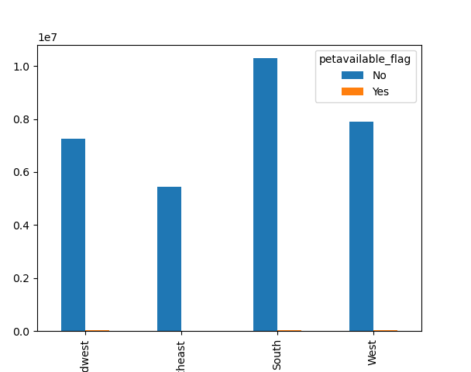
 |  | Title page

Visualisations

In this tab you should include all the visualtions from Exercises 4.9 and 4.10, alongside the questions from the project brief that they answer. Include any commentary on the relationship between different variables.

Q: The sales team needs to know when are the busiest days of the week and the hours of the day are - the days and times with the most orders
Distribution of orders with rrespect to time periods
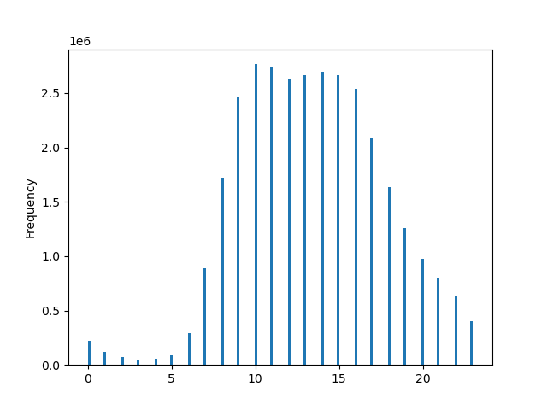
Orders by hours of the day
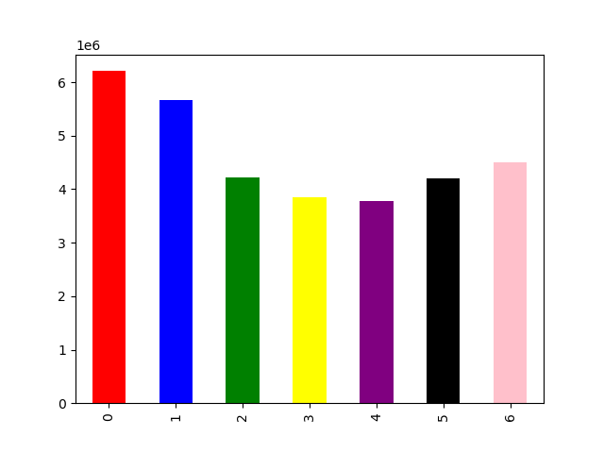
Orders by days of week
Remark : 0- 6 indicatees days of the week beginning from Saturday to Sunday
- The busiest day of the week is Saturday and the least busy day is Wednesday. Obviously this implies that weekend is the time that most of working popuation are engaged in weekly shoping for coming week.
- 9am- 3pm - is the busiest period in a day and 9am to 10 am is the peak hours per day for orders

Hours
Days of the week

Q : | Marketing and sales want to use simpler price range groupings to help direct their efforts
Spending habits of the customers based on time periods
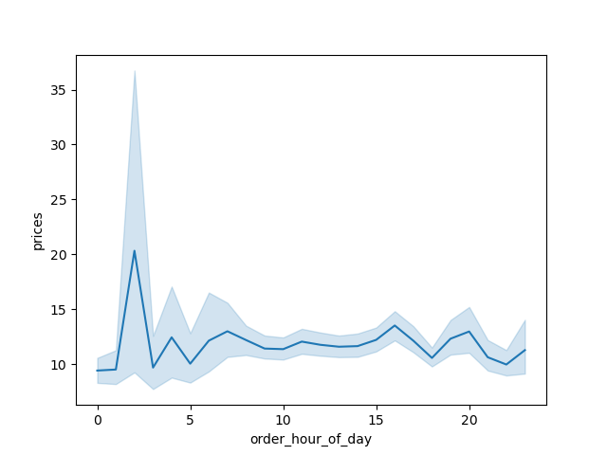
Order hours Vs Price
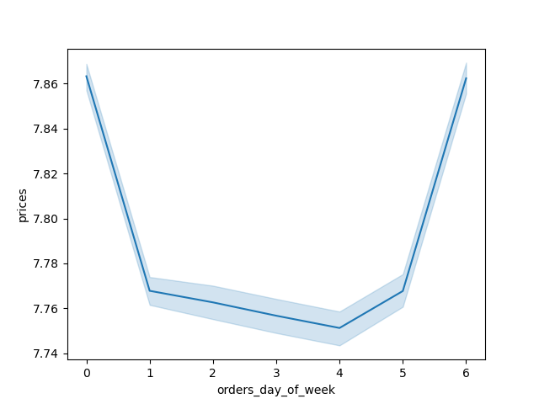
Order day of the week Vs Price
Remark : 0- 6 indicatees days of the week beginning from Saturday to Sunday
-During the early hours there is peak for 20$ customer orders and rest of the time it 's an avarage value between 15-8 $.
- During weekends the orders made by customers are high and value is around 7.86$ and within week days its less and lies in between 7.78-7.74$.
- There would be a 95 percent probability that the predicted value would fall within the area of the error bands.

Spending habits of the customers based on prices


Price Vs frequency of each order
- Frequently selling products are in the pice range 1$-5$ ( Low ranged prices)
- Less frequent selling order product prices are 15$- 25$ ( high ranged prices )
- Lowest product price is 1$
- Higest product price is 25 $

price

Q: Marketing and sales teams want to know which departments have the highest frequency of product orders.
Which type of products are on sale frequently and less frequently ?

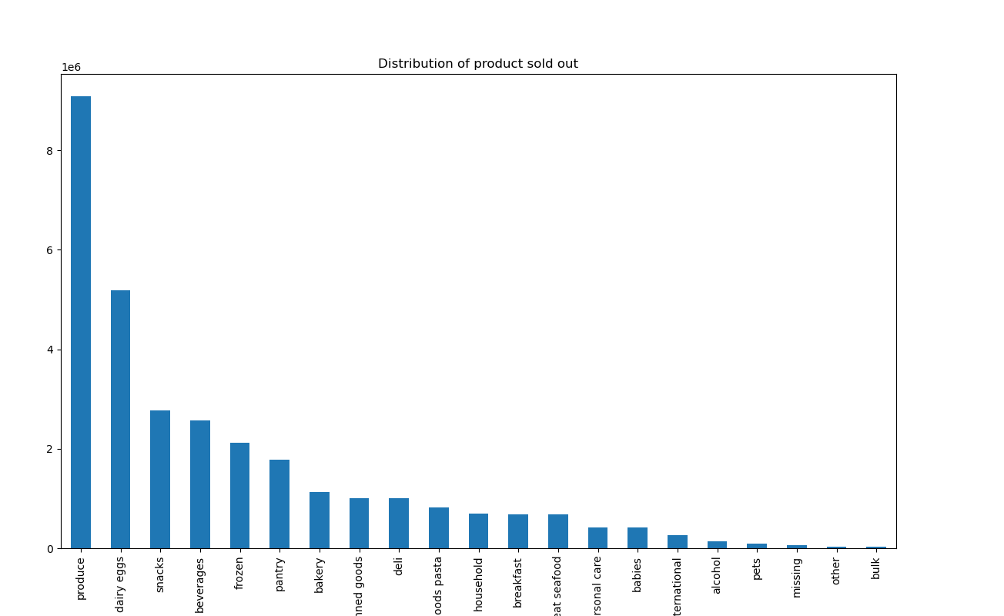
Order products Vs Price
- Frequently selling orders are in the Produce dpartement which shows frequency over 9 million
- Dairy/eggs follows with over 5 million products ordere
- Less frequently sold oproducts are in bulk department
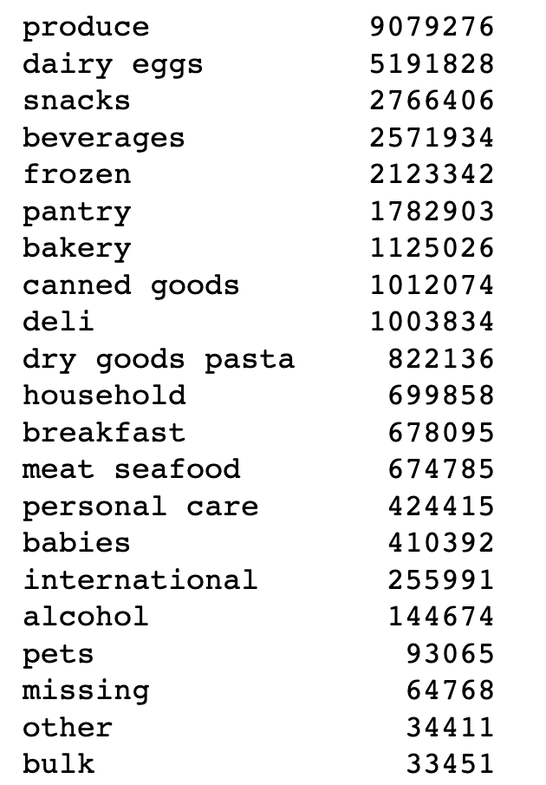

Frequency

Q: Sales teams want to know their Loyality customer base for customer retention growth
how often do they return to Instacart?

Loyalty customer vs frequncy
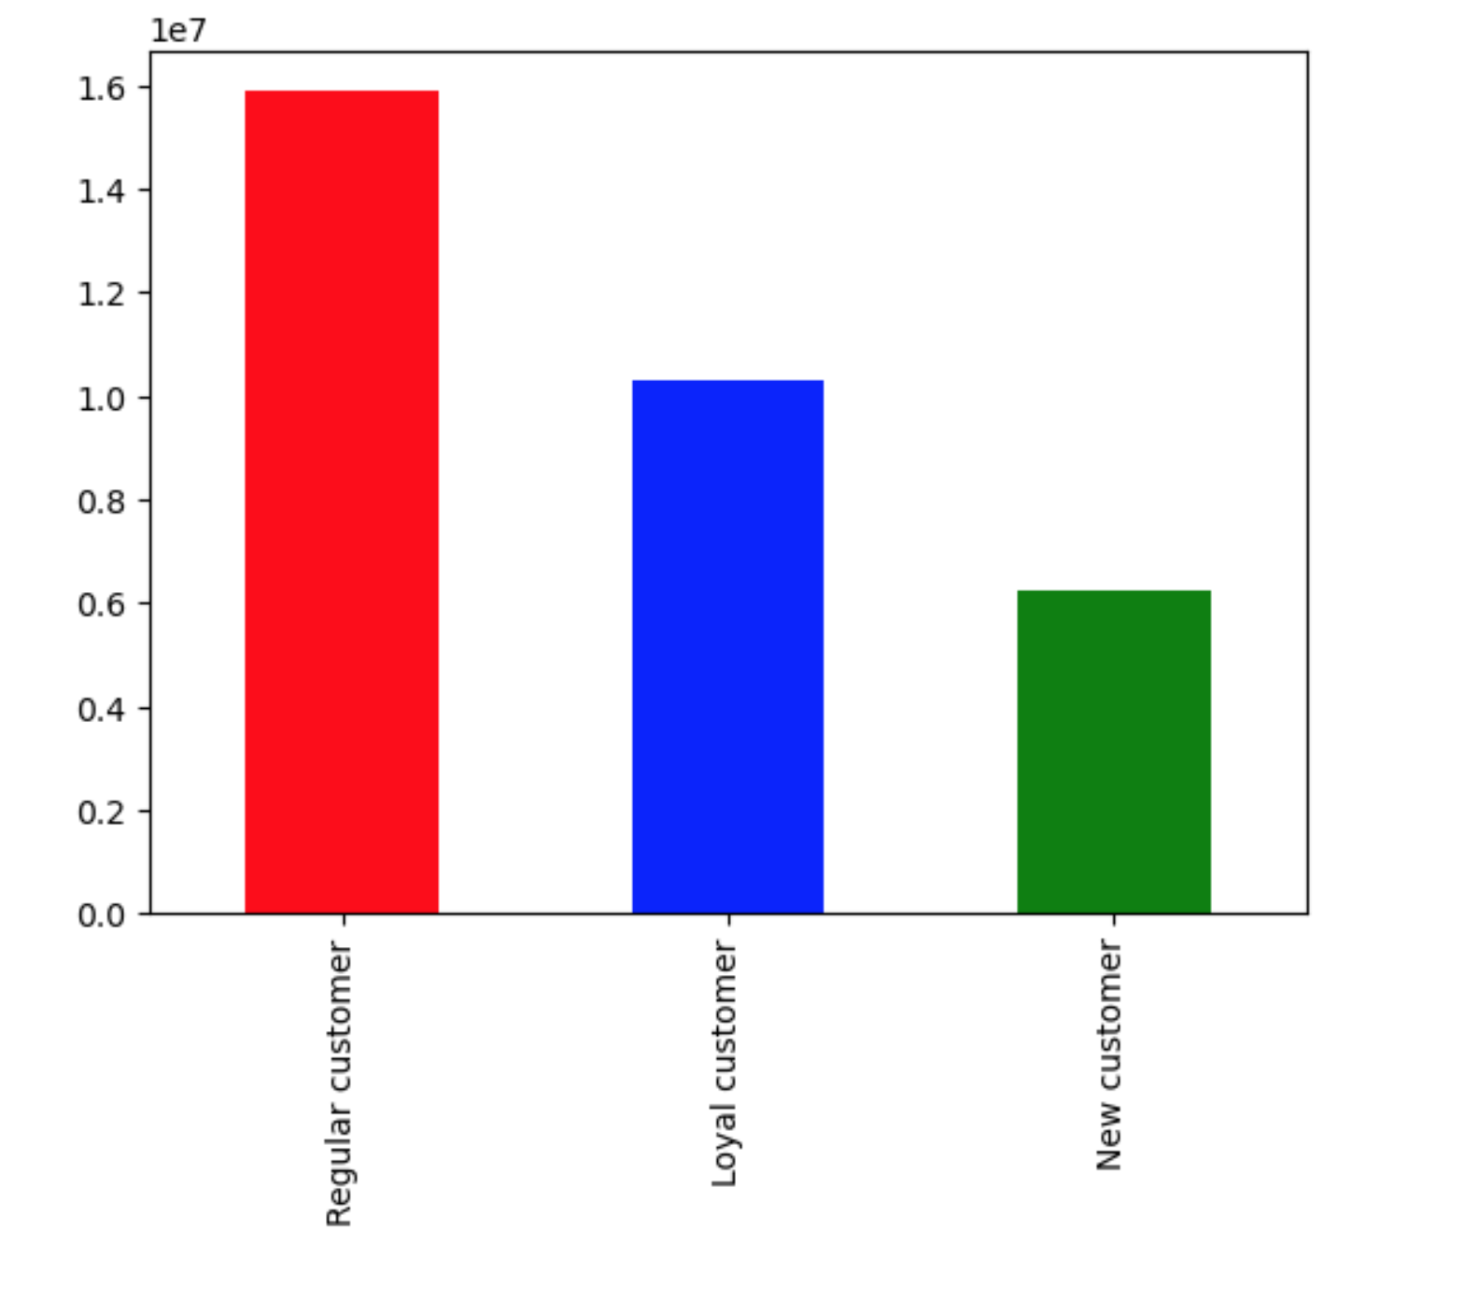

Loyalty customer consideration
- if the max_order > 40- Loyal customer
- if the the max_order lies between 10 < max_order <= 40 -Regular Customer
- if the max_order <=10- New Customer
Therefore the highest orders made by regular customers is between 10-40 orders

Q: Marketing and sales teams want to know spending habbits on different aspects to improve promotions , advertising for each customer category.
Spending habits of the customers based on demogarphics

Profile on spending amount demogrpics
Profile of spenderes depending on income status and demogrpics
Instacart customer based on demographics
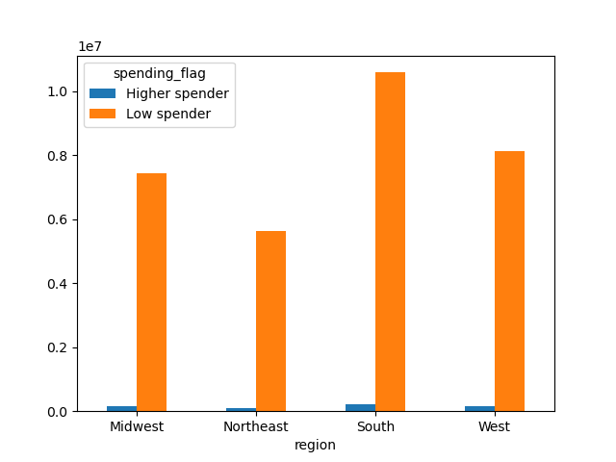
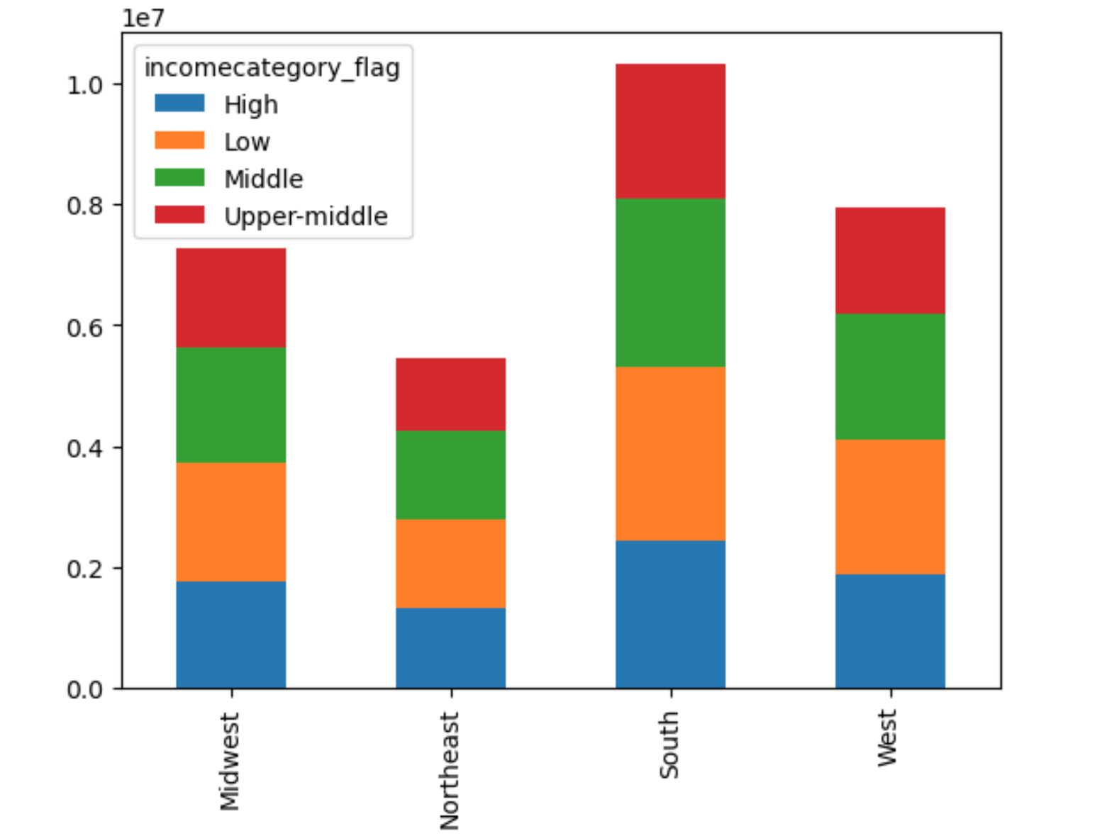

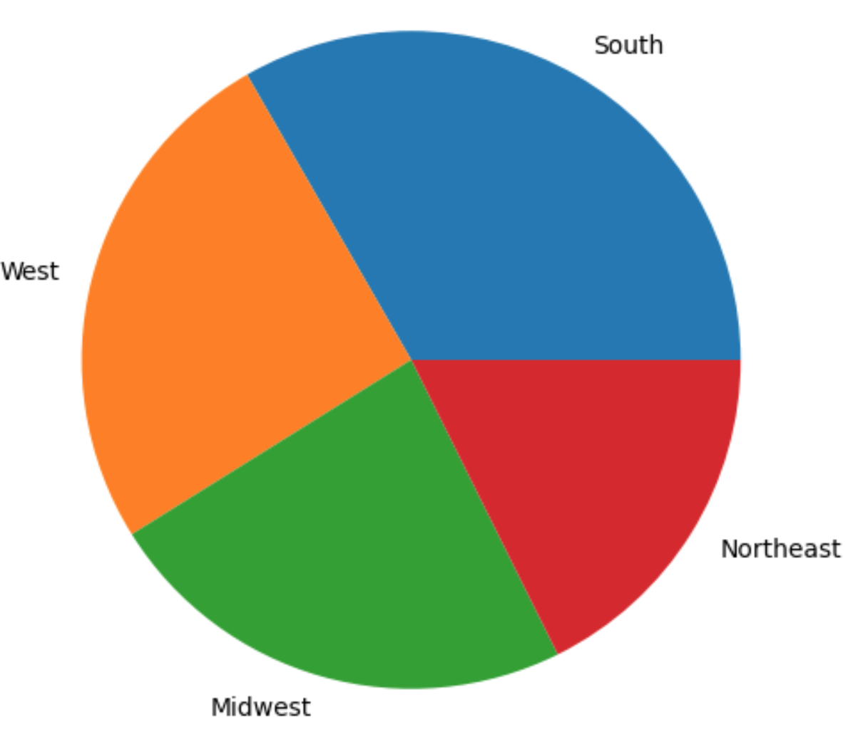

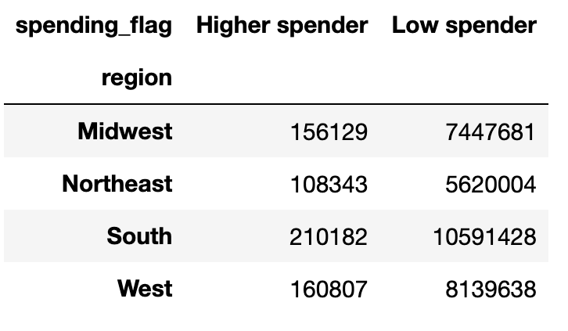
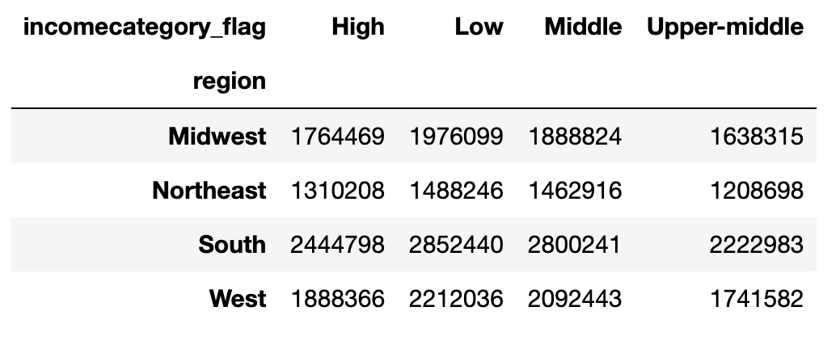
The South region has the highest amount of orders placed, with the West region having the second highest and least orders are placed in Northeast in U.S regions .

The orders placed by higher spenders (spending more than 10$ per order) are less compared to lower spender and it shows the same trend across the regions in purchase habits of all customers
The highest orders are placed by low income category in south of U.S and least orders are placed by upper-middle northeast instacrt cusomers

Profile of spenderes depending on age categories and family status
Profile of spenderes based on instarcart accessing time and income status

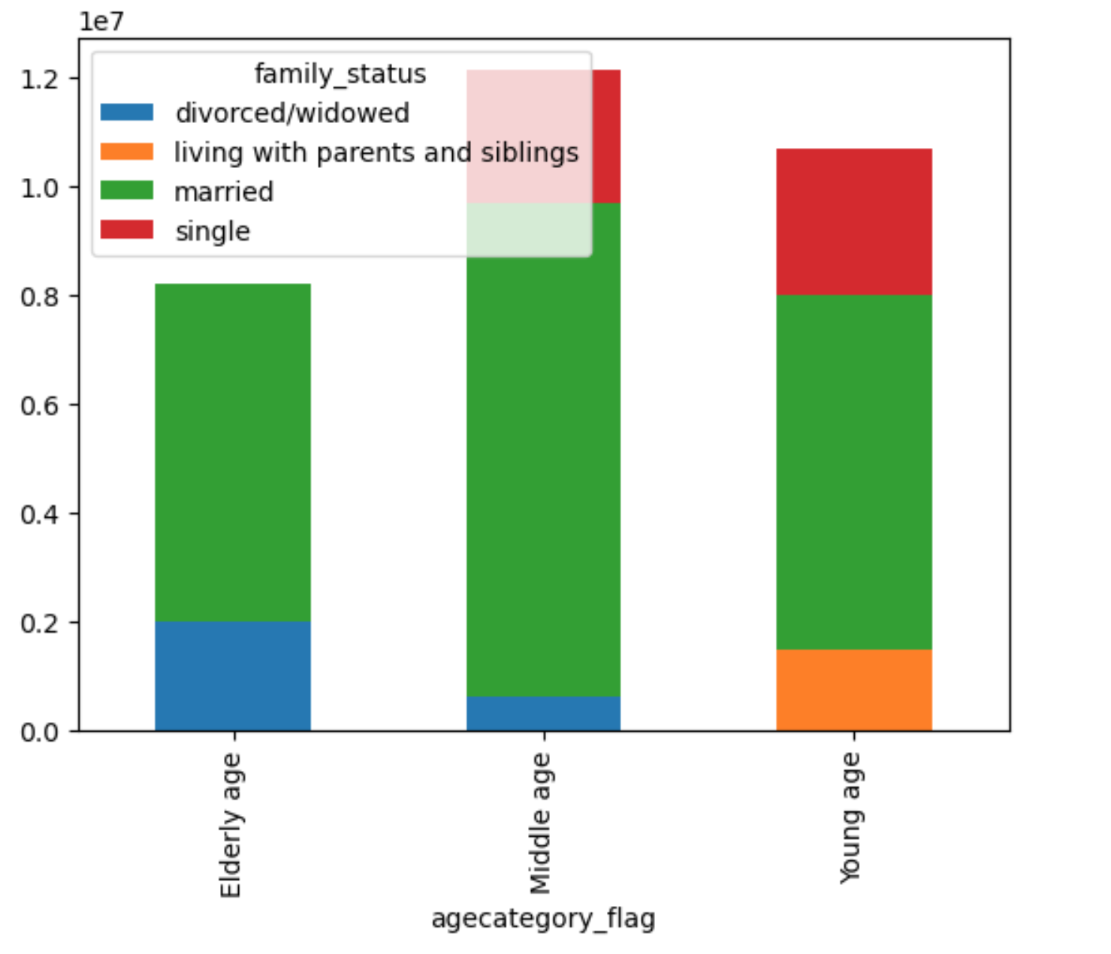
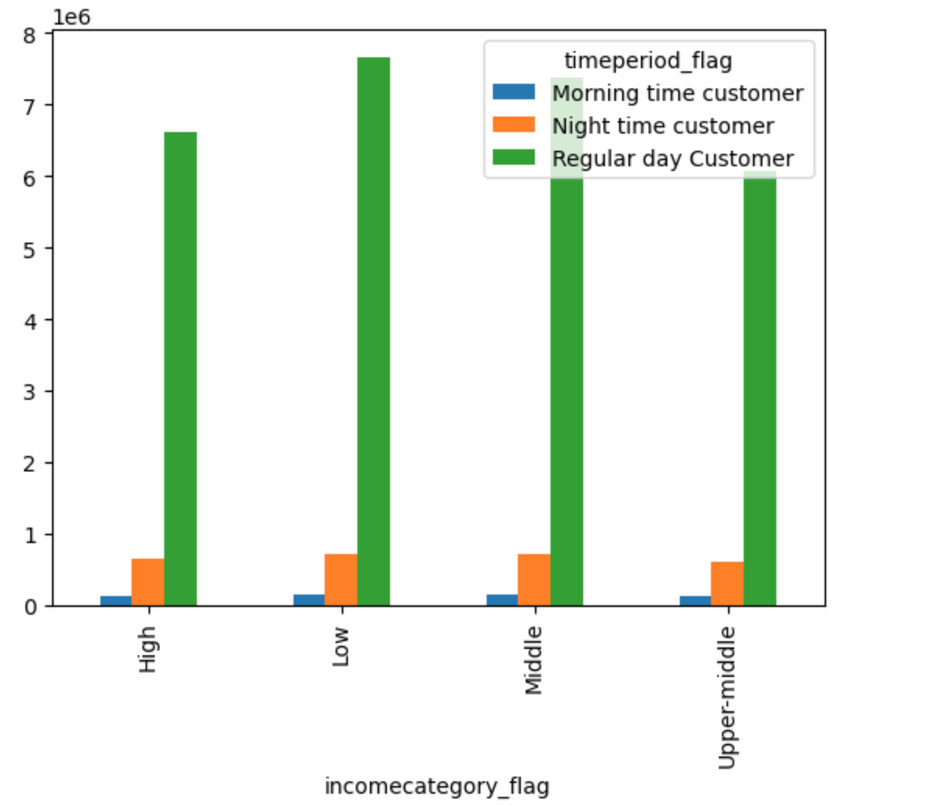

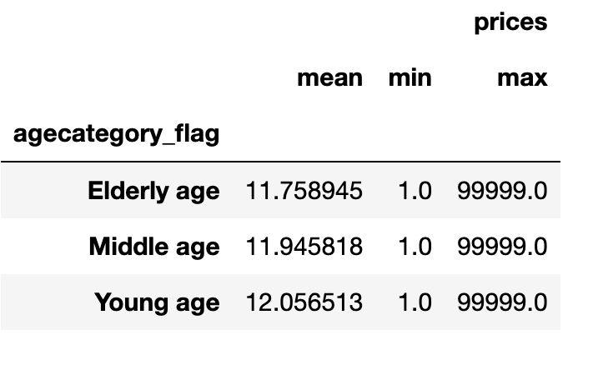

Most orders are place in between regular day time by low income category
Least orders placed by morning hours high income category

Most orderes are placed by middle aged( 40-65 age) married customers. The average spending is about 12 $ per order.
Least orders placed by Young ages living with parents.

7. Recommendations
 |  | Title page

Recommendations

In this tab you should include any recommendations you would made to Instcart in terms of their marketing strategy based on the questions posed in the brief. Every key question has been covered in the Tasks of the Exercises - here you need to add an item - a visualisation or table/crosstable that is showing the answer in the data, acompanied by a comment from you. Please, list the questions below and add the answer underneath.

Question | Answer
1Q: The sales team needs to know when are the busiest days of the week and the hours of the day are - the days and times with the most orders | * The busiest day of the week is Saturday and the least busy day is Wednesday. Obviously this implies that weekend is the time that most of working popuation are engaged in weekly shoping for coming week.
 | * 9am- 3pm - is the busiest period in a day and 9am to 10 am is the peak hours per day for orders

2Q. Marketing and sales team want to use price range groupings and period of times to optimize the efforts | * During the early hours there is peak for 20$ customer orders and rest of the time it 's an avarage value between 15-8 $.
 | * During weekends the orders made by customers are high and value is around 7.86$ and within week days its less and lies in between 7.78-7.74$.

3Q. Marketing and sales team want to use simpler products and theire prices to arrange the budget | * Frequently selling products are in the pice range 1$-5$ ( Low ranged prices) * Less frequent selling order product prices are 15$- 25$ ( high ranged prices ) * Higest product price is 25 $ and Lowest product price is 1$

Q4.Marketing and sales teams want to know which departments have the highest frequency of product orders. | *Frequently selling orders are in the Produce dpartement which shows frequency over 9 million * Dairy/eggs follows with over 5 million products ordere * Less frequently sold oproducts are in bulk department

Q5.Sales teams want to know their Loyality customer base for customer retention growth | * The highest orders made by regular customers is between 10-40 orders

Q6. Marketing and sales teams want to know spending habbits on different aspects to improve promotions , advertising and for reward each customer category. | *The South region has the highest amount of orders placed, with the West region having the second highest and least orders are placed in Northeast in U.S regions .
Q7. Marketing and sales teams want to know which departments have the highest frequency of product orders for arrange the storage of sufficient product items | * The orders placed by higher spenders (spending more than 10$ per order) are less compared to lower spender and it shows the same trend across the regions in purchase habits of all customers
 | * The highest orders are placed by low income category in south of U.S and least orders are placed by upper-middle northeast instacrt cusomers

 | * Most orderes are placed by middle aged( 40-65 age) married customers. The average spending is about 12 $ per order.
 | Least orders placed by Young ages living with parents.
 | * Most orders are place in between regular day time by low income category Least orders placed by morning hours high income category

Final Recommendation - The promotions need to be focused on customers who engage constantly and actively. Also, marketing strategies can be focused on depending on the above-specified categories separately for reaching the best sales in the US highest sales regions. Further, storage of sufficient items needs to be highest placing ordered locations.

